Detail Exmpl Power Dissipation
This is a detail calculation of the bridge power dissipation based on a measurement of the duration for each phase

S1
S2
R
R
Motor 单相
S3
S4
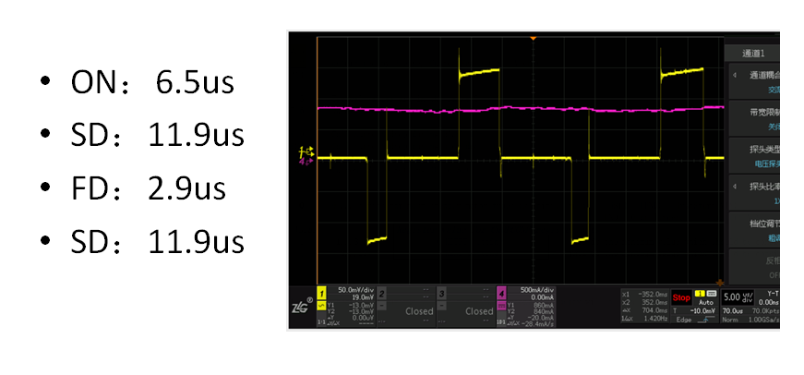
 |  | Current flow is from left to right --->
 | Switch Status | ON Phase | SD Phase | FD Phase | SD Phase
 | S1 | ON | OFF | OFF | OFF
 | S2 | OFF | ON | ON | ON
 | S3 | OFF | OFF | ON | OFF
 | S4 | ON | ON | OFF | ON

 | Um | 24
 | ICOILRMS | 1.41 |  | Fchop(KHz） | 30.120481928
 | HighBridge_Rdson (worst case) | 0.2 |  | tRR_highside [ns]:= | 14
 | LowBridge_Rdson (worst case) | 0.12 |  | tRR_lowside [ns]:= | 3
 |  |  |  | Slope time rise [ns]= | 100
 |  |  |  | Slope time fall [ns]= | 100

 |  | ON | SD | FD | SD | TOTAL
 | t | 6.5 | 11.9 | 2.9 | 11.9 | 33.2
 | Duty Cycle | 19.60% | 35.80% | 8.80% | 35.80%
 |  |  |  |  |  | TOTAL
P_Static = I² x RDS(on) x DutyCycle | P1(static) | 0.07793352 | 0 | 0 | 0 | 0.07793352 | P_highside(static)[W]= | 0.11292408
 | P2(static) | 0 | 0.085408776 | 0.020994336 | 0.085408776 | 0.191811888 | P_highside(static)[W]_average_per_mosfet= | 0.05646204
 | P3(static) | 0 | 0 | 0.03499056 | 0 | 0.03499056
 | P4(static) | 0.046760112 | 0.085408776 | 0 | 0.085408776 | 0.217577664 | P_lowside(static)[W]= | 0.409389552
 |  |  |  |  |  |  | P_lowside(static)[W]_average_per_mosfet= | 0.204694776

P_Dynamic = Um*Icoil x fchop x （tSlope+trr) | P1(dynamic) | 0.10498554217 | 0 | 0 | 0 | 0.10498554217
 | P2(dynamic) | 0 | 0.11619759036 | 0 | 0 | 0.11619759036
 | P3(dynamic) | 0 | 0 | 0.10498554217 | 0 | 0.10498554217
 | P4(dynamic) | 0 | 0 | 0 | 0.11619759036 | 0.11619759036

