TMC43xx
THIS CODE AND INFORMATION IS PROVIDED "AS IS" WITHOUT WARRANTY OF ANY KIND, EITHER EXPRESSED OR IMPLIED.

S-Shape Ramp calculation
 |  |  |  | Remarks: | 1) Input cells are marked green
 | Total Steps= | 61000 | p |  | 2) All values are positive
 | VMAX= | 3000 | pps |  | 3) In case negative values have to be set, please use positve values and convert manually
 | AMAX= | 100 | pps² |  | 4) The values are correct as long as every ramp stage 1…7 is executed!
 | DMAX= | 450 | pps² |  | 5) In case not every ramp stage is used, the time values for the affected ramp stage will be negative --> marked red
 | BOW1= | 300 | pps³
 | BOW2= | 325 | pps³
 | BOW3= | 124 | pps³
 | BOW4= | 105 | pps³

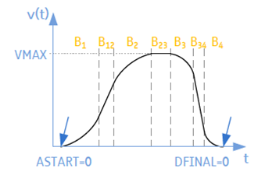
phaseB1 | t1= | 0.33333333333 | sec
 | V1= | 16.666666667 | pps
 | S1= | 1.8518518519 | p

phaseB12 | t12= | 29.679487179 | sec
 | S12= | 44538.256082 | p

phaseB2 | t2= | 0.30769230769 | sec
 | V2= | 2984.6153846 | pps
 | S2= | 921.49901381 | p

phaseB23 | t23= | -0.00086931023127 | sec
 | S23= | -2.6079306938 | p

phaseB3 | t3= | 3.6290322581 | sec
 | V3= | 2183.4677419 | pps
 | S3= | 9899.3561394 | p

phaseB34 | t34= | 2.7092933948 | sec
 | S34= | 4264.0938237 | p

phase B4 | t4= | 4.2857142857 | sec
 | V4= | 964.28571429 | pps
 | S4= | 1377.5510204 | p

