SYSTEM SPECS
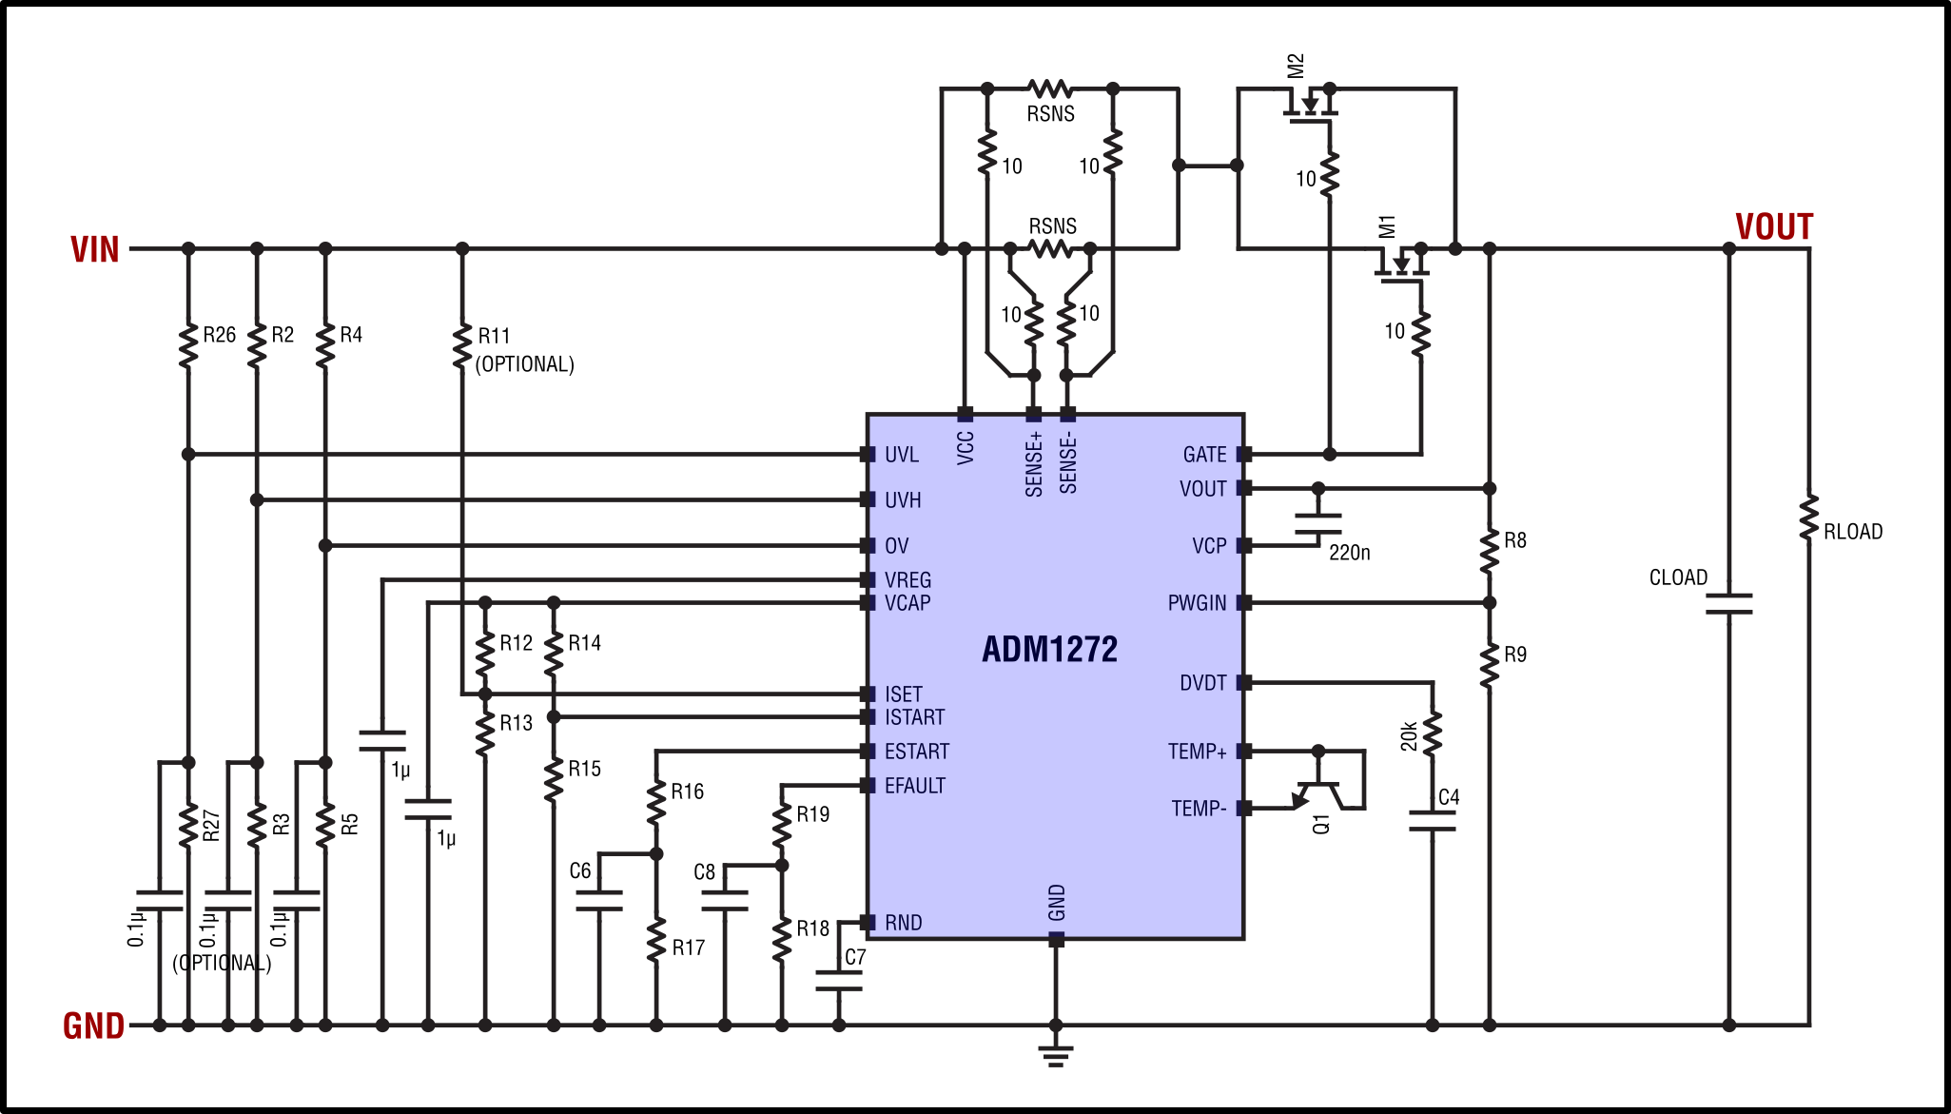
 | ADM1272 |  |  | REV1.02
INSTRUCTIONS:
 | This workbook is divided into separate sheets for each pin or function
 | The user must fill-in all pink shaded cells
 | Yellow shaded cells are calculated
 | Green shaded cells are important results or notes
 | Cyan shaded cells are ADM1272 device specs
 | Fill-in the user inputs on each tab in this workbook to determine the external components, voltage and current thresholds, and timing parameters.

 | SPECIFICATION | VALUE | UNIT/ TOLERANCE | COMMENT

SYSTEM SPECS
 | VIN(TYP) | 48 | V | Typical operating voltage
 | VIN(MIN) | 41 | V | Minimum operating voltage (not UV limit)
 | VIN(MAX) | 60 | V | Maximum operating voltage (not OV limit)
 | I_LOAD(MAX OPERATING) | 30 | A | Maximum operating current Largest average current expected during normal operation (Not CB threshold, which is calculated in the ISET&ISTART page)
 | C_LOAD(TYP) | 1000 | uF | Load capacitance Assume +/-20% variation | 0.001
 | R_LOAD AT START UP | 1000 | Ω | Resistive load at the output during start-up (adds to inrush)
 | I_LOAD AT START UP | 0 | A | Constant current load at start-up (adds to inrush)
 | AMBIENT TEMPERATURE(MAX) | 60 | oC | Ambient operating temperature maximum

 | SYSTEM VOLTAGES: |  |  | NOTE: reflects voltages from multiple tabs in this worksheet
 | Vov(hi) | Vov | Vov(low) | V_op_max | V_op_typ | V_op_min | V_uv_h(hi) | V_uv_h | V_uv_h(low) | V_pgood | Vuv_l(hi) | Vuv_l
 |  | 60.00 |  |  |  |  |  | 41.00 |  | 40.00 |  | 39.00
 |  | 60.00 |  |  |  |  |  | 41.00 |  | 40.00 |  | 39.00
 |  | 60.00 |  |  |  |  |  | 41.00 |  | 40.00 |  | 39.00
 |  | 60.00 |  |  |  |  |  | 41.00 |  | 40.00 |  | 39.00
 |  | 60.00 |  |  |  |  |  | 41.00 |  | 40.00 |  | 39.00
 |  | 60.00 |  |  |  | 41 |  | 41.00 |  | 40.00 | 40.56 | 39.00
 |  | 60.00 |  |  | 48 | 41 | 43.05 | 41.00 | 38.95 | 40.00 | 40.56 | 39.00
 |  | 60.00 |  | 60 | 48 | 41 | 43.05 | 41.00 | 38.95 | 40.00 |  | 39.00
 |  | 60.00 |  | 60 | 48 | 41 |  | 41.00 |  | 40.00 |  | 39.00
 | 62.4 | 60.00 | 57.6 | 60 | 48 | 41 |  | 41.00 |  | 40.00 |  | 39.00
 | 62.4 | 60.00 | 57.6 | 60 | 48 | 41 |  | 41.00 |  | 40.00 |  | 39.00

 |  |  |  |  | SYSTEM VOLTAGE LABELS:

 |  |  |  | V_ov . | OV threshold (with margins) – from “OV&UV PINS” page
 |  |  |  | V_op . | Operating voltage range (min, typ, max) – from “SYSTEM SPECS” page
 |  |  |  | V_uv_h . | UV rising threshold (with margins) – from “OV&UV PINS” page
 |  |  |  | V_pgood . | Power Good threshold – from “PWRGD PIN” page
 |  |  |  | V_uv_l . | UV falling threshold (with margins) – from “OV&UV PINS” page

SENSE PINS
PIN | COMPONENT/ LABEL | VALUE | UNIT/ TOLERANCE | COMMENT

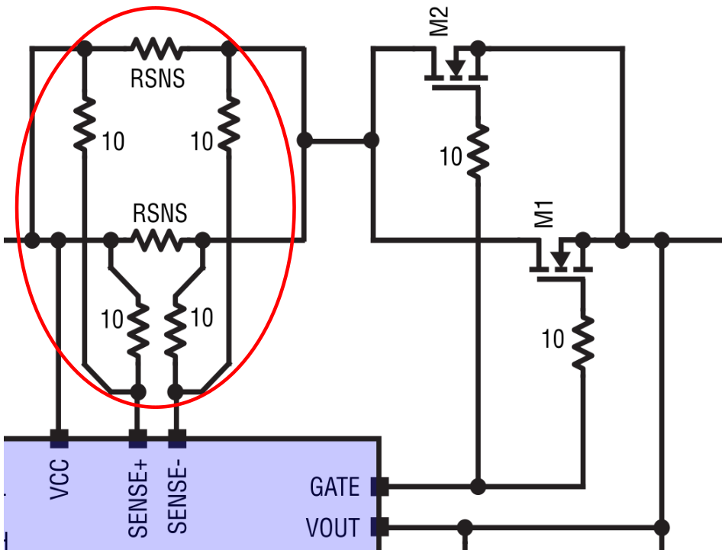
SENSE+ PIN SENSE- PIN
 | SENSE RESISTOR UNIT VALUE | 1.000 | mΩ |  | 0.001
 | NUMBER OF PARALLEL UNITS | 1 | -
 | TOTAL SENSE RESISTANCE | 1.000 | mΩ |  | 0.001
 | POWER IN EACH SENSE RESISTOR | 0.909 | W | POWER IN ONE RESISTOR
 | TOTAL POWER IN SENSE RESISTANCE (MAX OPERATING CURRENT) | 0.909 | W | CONTRIBUTES TO BOARD HEATING, WHICH CAN AFFECT FETs

 | SENSE VOLTAGE AT MAX CURRENT | 29.34 | mV | Must be below 30mV

 | Be sure to use an averaging network (10Ω) between the parallel sense resistors and the SENSE pins of the IC
 | Recommend using a sense resistor with >2x Power rating margin
 | Common resistor dimensions: | RATING | SIZE
 |  | 1W | 1206
 |  | 2W | 2512
 |  | 3W | 2512
 |  | 4W | 2728

GATE&DVDT PINS
PIN | COMPONENT/ LABEL | VALUE | UNIT/ TOLERANCE | COMMENT
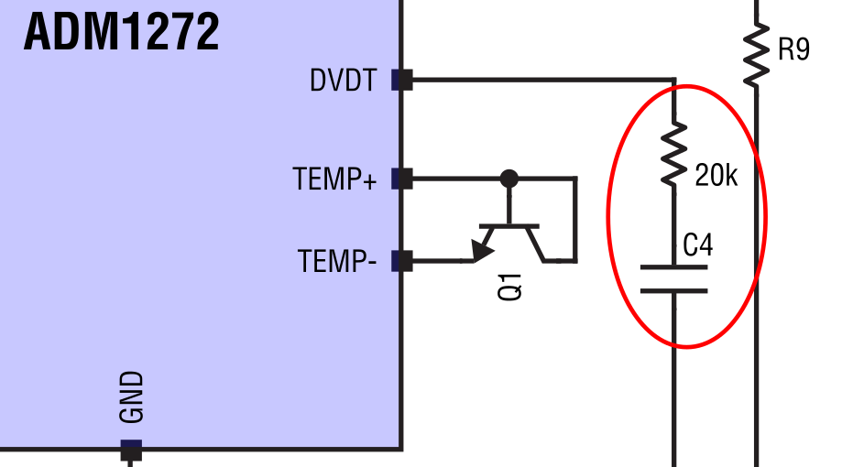
DVDT PIN (GATE PIN) |  |  |  | The following apply when inrush current is below the ISTART current limit If the ISTART current limit is reached rates will be slower and times will be longer
 | GATE PULL-UP CURRENT | 25 | uA 20%
 | DVDT CAPACITOR (C4) | 47 | nanoFarad 20% | Recommend ~2x voltage rating margin Example: 100V rating for a 48V design
 | GATE PIN RAMP RATE (MIN) | 354.6 | V/s
 | GATE PIN RAMP RATE (TYP) | 531.9 | V/s
 | GATE PIN RAMP RATE (MAX) | 797.9 | V/s
 | GATE RAMP UP TIME(NOMINAL VIN, MIN) | 60.16 | ms | time from Vgate = Vt to VOUT = VIN
 | GATE RAMP UP TIME(NOMINAL VIN, TYP) | 90.24 | ms
 | GATE RAMP UP TIME(NOMINAL VIN, MAX) | 135.36 | ms | suggest below or around 100ms to ease MOSFET SOA check
 | INRUSH CURRENT BY DVDT (MIN) | 0.284 | A | check to ensure that this is below the ISTART current limit
 | INRUSH CURRENT BY DVDT (TYP) | 0.532 | A | check to ensure that this is below the ISTART current limit
 | INRUSH CURRENT BY DVDT (MAX) | 0.957 | A | check to ensure that this is below the ISTART current limit
 | INRUSH INCLUDING START-UP R and I LOADS (MIN) | 0.404 | A | check to ensure that this is below the ISTART current limit
 | INRUSH INCLUDING START-UP R and I LOADS (TYP) | 0.652 | A | check to ensure that this is below the ISTART current limit
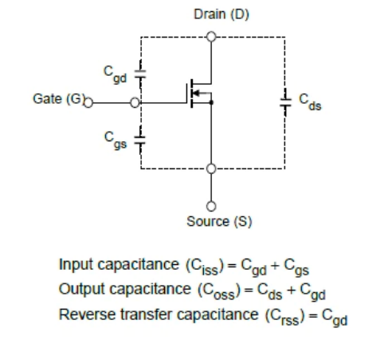
 | INRUSH INCLUDING START-UP R and I LOADS (MAX) | 1.078 | A | check to ensure that this is below the ISTART current limit

 | NOTE: A slower dv/dt ramp is better when there is no static current flowing during startup. Prefer a larger DVDT capacitor in this case.
 | NOTE: If there is significant static load during startup then the FET may overheat, and a faster ramp is better. Prefer smaller DVDT cap in this case.

 | NOTE: Cgs does not affect VOUT ramp time because Vgs remains constant. Cgd is usually much smaller than Cgd and is neglected.

ISET&ISTART PINS
PIN | COMPONENT/ LABEL | VALUE | UNIT/ TOL. | COMMENT

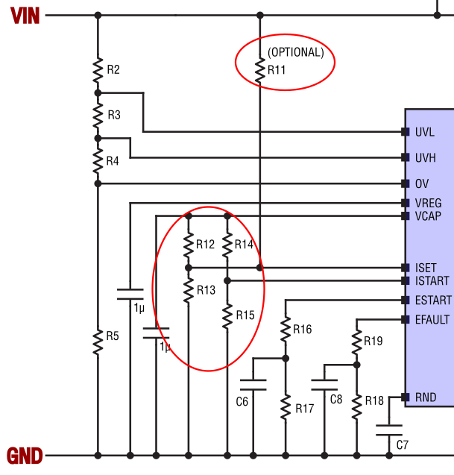
ISTART PIN
 | RTOP (R14) | 100.00 | kΩ 1% |  | 100000
 | RBOTTOM (R15) | 6.34 | kΩ 1% |  | 6340
 | ISTART PIN VOLTAGE (MIN) | 0.157 | V | ISTART pin voltage is referenced to GND. Internally clamped to 100mV. If above 1.35V, internal 1V reference will be used.
 | ISTART PIN VOLTAGE (TYP) | 0.161 | V
 | ISTART PIN VOLTAGE (MAX) | 0.165 | V
 | ISTART CURRENT LIMIT (MIN) | 3.881 | A | NOTE: for most systems ISTART should be >2x above the inrush current determined by the DVDT pin
 | ISTART CURRENT LIMIT (TYP) | 4.024 | A
 | ISTART CURRENT LIMIT (MAX) | 4.173 | A
 | ISTART CIRCUIT BREAKER (MIN) | 2.58 | A | To prevent ESTART from ramping up and possibly timing out, keep inrush current during startup below this circuit breaker level.
 | ISTART CIRCUIT BREAKER (TYP) | 2.92 | A
 | ISTART CIRCUIT BREAKER (MAX) | 3.26 | A

 | SELECT EITHER: CONSTANT CURRENT (2 RESISTORS) OR CONSTANT POWER (3 RESISTORS) | Constant Current |  | CONSTANT CURRENT USES A CONSTANT ISET PIN VOLTAGE CONSTANT POWER MOVES ISET PIN VOLTAGE WITH VIN OR VOUT

ISET PIN | NOTE: There are two modes for ISET: constant current limit and constant power limit. For constant current limit there are two resistors and the ISET pin voltage is constant. For constant power limit there are three resistors, and the ISET pin voltage moves with VIN.

 | Constant current limit mode (2 resistors) Calculate the current limit from resistor values
 | RTOP (R12) | 69.80 | kΩ 1% | Resistor from VCAP to ISET | 69800
 | RBOTTOM (R13) | 90.50 | kΩ 1% | Resistor from ISET to GND | 90500
 | VCAP-VISET(ACROSS RTOP, MIN) | 1.154 | V | NOTE: cannot exceed 1.2V or the default 30mV Vsense limit will apply | 1.1538023887
 | VCAP-VISET(ACROSS RTOP, TYP) | 1.176 | V | Current limit setting is determined by VCAP-ISET voltage, the voltage across RTOP | 1.1756706176
 | VCAP-VISET(ACROSS RTOP, MAX) | 1.198 | V |  | 1.1977697963
 | ISET CURRENT LIMIT(MIN) | 28.6 | A
 | ISET CURRENT LIMIT(TYP) | 29.4 | A | Constant current circuit breaker limit typical value
 | ISET CURRENT LIMIT(MAX) | 30.2 | A

ISET Power and Current Limits
 | USE EITHER THE ABOVE CALCULATIONS OR THE BELOW CALCULATIONS. NOT BOTH
 | Constant POWER limit mode (3 resistors) Calculate the resistor values from system parameters |  |  | Input the max constant power required by the load. The tool will calculate recommended R11-R13 for achieving this. Pick R11-R13 values close to the recommended values. The new calculated VISET and I_LIMIT values will be determined. | NOTE: Connect R11 (constant power) to VOUT when there are input voltage steps. This will stabilize transient recovery.
 | MAX CONSTANT POWER LIMIT DELIVERED TO THE LOAD (W) | 1200 | W | Maximum amount of power that can be delivered to the load at any voltage. This is where the current limit will engage. |  |  |  | CONSTANT CURRENT:
 | I_LIMIT_TYP (@VIN TYP) | 23.76 | A | Current limit when Vin=midpoint | 25.708192955 |  |  | Vin | I_lim | P_load
 | I_LIMIT_MAX (@VIN MIN) | 29.27 | A | Current limit when Vin=max Make sure this max current is sustainable in the circuit | 29.694896233 |  |  | 41 | 28.6 | 1240.1151931
 | I_LIMIT_MIN (@VIN MAX) | 20.00 | A | Current limit when Vin=min | 19.544596733 |  |  | 48 | 29.39176544 | 1410.8047411
 | V_ISET(typ) | 1.750 | V | Ground referenced ISET voltage at typical VIN operating voltage | 1.6716722818 |  |  | 60 | 30.246712028 | 1814.8027217
 | ISET PIN VOLTAGE MIN | 1.509 | V | Ground referenced ISET pin voltage at I_LIMIT_MIN MUST BE > 1.5V (else lower Rsense) OR THE CURRENT LIMIT DEFAULTS TO 30mV/Rsns | 1.5440821092 |  |  | CONSTANT POWER:
 | ISET PIN VOLTAGE MAX | 1.920 | V | Ground referenced ISET pin voltage at I_LIMIT_MIN MUST BE > 1.5V OR THE CURRENT LIMIT DEFAULTS TO 30mV/Rsns | 1.890398292 |  |  | 41 | 29.69 | 1217.4907456
 | DELTA_ISET | 0.411 | V | ISET pin voltage variation with VIN variation | 19 |  |  | 48 | 25.71 | 1233.9932619
 | R11 (Calculated) | 1950.02 | kΩ 1% | Calculated to give 25uA of current through R13 at Vin(middle). Usually near 2MΩ. NOTE: connect to either Vin or Vout, depending on circuit conditions | 2.50E-05 | 1950019.802 |  | 60 | 19.54 | 1172.675804
 | OPTIONAL R11 OVERRIDE VALUE | 1959.00 | kΩ | If left blank, calculated value will be used | 1.96E+06 | 1959000
 | R_THEVENIN | 41.07 | kΩ 1% | Thevenin equivalent resistance (R12||R13||R11) | 41074.704916 |  |  | PLOT VALUES CONDITIONALLY:
 |  |  |  |  |  |  |  | Vin | I_lim | P_load
 | R12 (Calculated) | 153.47 | kΩ 1% | Top resistor to VCAP | 153468.00 |  |  | 41 | 28.56 | 1240.1151931
 | OPTIONAL R12 OVERRIDE VALUE | 121.00 | kΩ | If left blank, calculated value will be used | 1.21E+05 |  |  | 48 | 29.39 | 1410.8047411
 | R13 (Calculated) | 55.52 | kΩ 1% | Bottom resistor to GND | 55524.809774 |  |  | 60 | 30.25 | 1814.8027217
 | OPTIONAL R13 OVERRIDE VALUE | 52.00 | kΩ | If left blank, calculated value will be used | 5.20E+04 | 52000
 |  |  |  |  |  |  |  | MAX ILIM: | 3.02E+01
 | V_ISET(typ) for used R11-R13 | 1.67 | V | Must be > 1.5V or current limit defaults to 30mV/Rsns |  |  |  | MIN ILIM: | 2.86E+01
 | ISET PIN VOLTAGE MIN for used R11-R13 | 1.54 | V |  |  | CB offset: |  | AVG ILIM: | 29.399314178
 | ISET PIN VOLTAGE MAX for used R11-R13 | 1.89 | V |  |  | 0.0009
 |  |  |  |  |  | 0.0011
 | I_LIMIT_TYP (@VIN TYP) for used R11-R13 | 25.71 | A |  |  | 0.00131
 | I_LIMIT_MAX (@VIN MIN) for used R11-R13 | 29.69 | A |  | ISTART | ISET I | ISET P
 | I_LIMIT_MIN (@VIN MAX) for used R11-R13 | 19.54 | A |  | 2.5390257664E-05 | 1.684341859E-05 | 1.5606936416E-05

 | ISET CIRCUIT BREAKER THRESHOLD (MIN) | 27.37 | A | NOTE: CB threshold is lower than ISET current limit by a small offset
 | ISET CIRCUIT BREAKER THRESHOLD (TYP) | 28.29 | A | The CB threshold is where the EFAULT timer starts working
 | ISET CIRCUIT BREAKER THRESHOLD (MAX) | 29.34 | A

 | TOTAL CURRENT FROM VCAP THROUGH RESISTORS | 42.23 | uA | Maintain < 100uA current from VCAP

EFAULT&ESTART PINS
PROCEDURE: |  |  |  |  |  |  |  |  | HINTS:
1) | The current values are automatically calculated from the derated ISET and ISTART current limits. |  |  |  |  |  |  |  |  | During current limiting, inherent FET mismatch will force most of the current into one FET, even if there are multiple FETs in parallel. Only during steady-state operation, when all parallel FETs are fully enhanced, Will the current share between FETs.
2) | Choose your favorite FET. Its part number is filled-in from the FET THERMALS page. Paste a copy of the datasheet SOA plot in the box below. Replace the example plot shown here.
3) | Click and drag the horizontal red line across the FET SOA plot at the level of the derated Id current. This line intersects the various plot lines for times, such as 10ms, 1ms, 100us, etc. |  |  |  |  |  |  |  |  | Derating the current means multiplying the limit (such as the CB limit) by the derating factor before looking at the SOA plot. For instance, if your FET heats up enough to derate the curves by a factor of 2x, and your CB limit is 20A, then use the 2x20A=40A horizontal line on the SOA plot.
4) | On the SOA plot read the voltages at which your horizontal line intersects each time line. Enter these voltages in the Vds column |  |  |  |  |  |  |  |  | Be sure to include the operating max voltage in the table. No need to go all the way to the FET max voltage. For many circuits this operating max is 60V. You can estimate the time-out at this voltage. For some circuits there are known trouble spots, like a known load impedance that forces a known Vds. If possible, include these conditions in the table. For instance, if Vds=12V is a known trouble case for the circuit, estimate the time-out value at 12V from the SOA plot.
5) | On the SOA plot read the times of each curve intersected, and enter them in the Delay(spec) column. These are usually powers of 10, like 10ms, 1ms, etc. but you can change to other values, like 5ms, 600us, etc. You can, for example, pick a significant voltage that matters for your circuit and enter the delay required from the SOA plot. |  |  |  |  |  |  |  |  | Sometimes there is a DC curve on the SOA plot. For DC, enter 100ms or 1000ms in the Delay(spec) column.
6) | Enter the value of the EFAULT capacitor in the C column. You will adjust this capacitor value to achieve the desired delay. Suggested starting value C8=22nF
7) | Enter the value of the top resistor (in series with C) in the R19 column. You will adjust the value of this resistor to move the delay curve up and down. Suggested value: R19 < 10k
8) | Enter the value of the bottom resistor (in parallel with C) in the R18 column. This resistor is often infinity, in which case you can enter 1e+10, or greater. Suggested value: R18 > 50xR19
9) | Adjust the value of R1 and C to keep the blue delay curve below (but not too far below) the red spec curve. The red curve represents the delay spec. Blue represents your given circuit. C8 moves the blue curve vertically. R19 moves the high Vds delay. R18 moves the low Vds delay. |  |  |  |  |  |  |  |  | AN ERROR IN THE DELAY COLUMN MEANS THE TIMER WILL NEVER TIME OUT AT THIS CONDITION. Available capacitor values are limited (10nF, 15nF, 22nF, etc.) but available resistor values are more granular. Suggest selecting a capacitor value first, then choosing resistors to move the curve up and down.
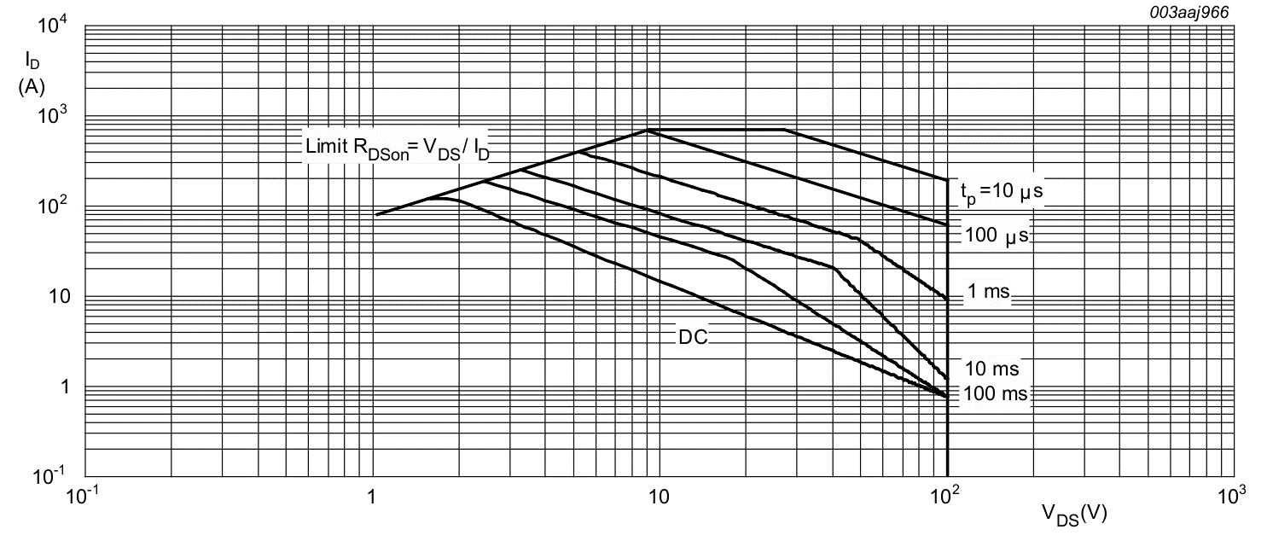
EFAULT PIN
Id (derated) | Vds | C8 (nF) | R19 (top) (kΩ) | R18 (botom) (kΩ) | ARG | Delay (ms) (calc) | Delay (ms) (spec) | FET NAME
87.66 | 5.5 | 22.0 | 15.00 | 330 | 0.4944903581 | 5.163 | 100.00 | PSMN4R8-100BSE
 | 9 | 22.0 | 15.00 | 330 | 0.7087542088 | 2.549 | 10.00
 | 22 | 22.0 | 15.00 | 330 | 0.9077134986 | 0.753 | 1.00
 | 70 | 22.0 | 15.00 | 330 | 1.0021645022 | 0.050 | 0.10

EFAULT Delay vs Vds

 |  |  |  |  |  |  |  |  |  |  | use the red line for EFAULT

1

 |  |  |  |  |  |  |  |  |  |  | use the green line for ESTART

EFAULT WILL NEVER TRIP FOR VDS < |  |  |  | 2.90 | V
EFAULT WILL INSTANTLY TRIP FOR VDS > |  |  |  | 66.67 | V

 | Perform the same exercise as above for the ESTART pin. Move the green horizontal line on the SOA plot to the Id current level Start-up currents are much lower, so the Id line is lower and the Vds numbers will be different

ESTART PIN
Id (derated) | Vds | C6 (nF) | R16 (top) (kΩ) | R17 (bottom) (kΩ) | ARG | Delay (ms) (calc) | Delay (ms) (spec) | FET NAME
12.47 | 22 | 47.0 | 2.32 | 100 | 0.5686545455 | 2.70 | 100.00 | PSMN4R8-100BSE
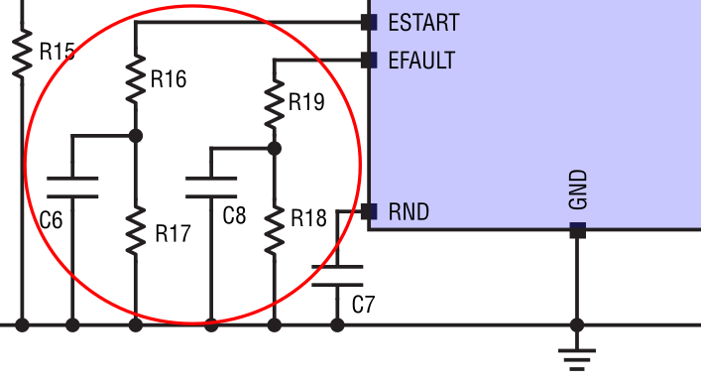
 | 45 | 47.0 | 2.32 | 100 | 0.8009777778 | 1.09 | 10.00
 | 90 | 47.0 | 2.32 | 100 | 0.9120888889 | 0.48 | 1.00
 | 100 | 47.0 | 2.32 | 100 | 0.9232 | 0.43 | 0.10
ESTART Delay vs Vds

ESTART WILL NEVER TRIP FOR VDS < |  |  |  | 9.77 | V
ESTART WILL INSTANTLY TRIP FOR VDS > |  |  |  | 431.03 | V

OV&UV PINS
PIN | COMPONENT / LABEL | VALUE | UNIT | COMMENT
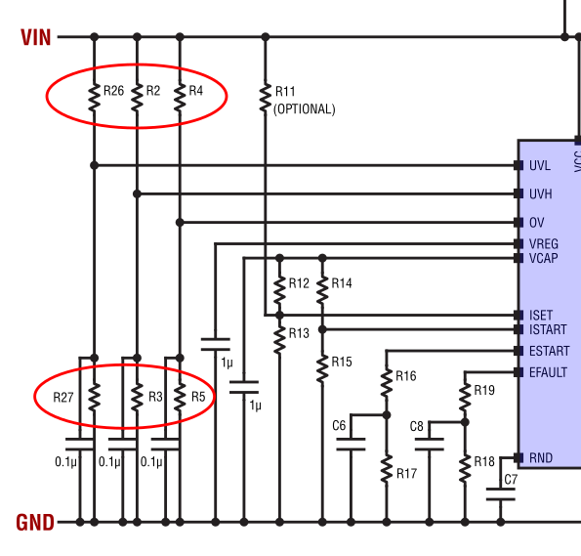
UVL PIN UVH PIN OV PIN
 | VIN UV RISING THRESHOLD | 41.00 | V | must be below VIN(MIN)
 | VIN UV FALLING THRESHOLD | 39.00 | V | must be below VIN(MIN)
 | VIN OV THRESHOLD | 60.00 | V | must be above VIN(MAX)

UVH RISING | R2 (top UVH resistor) | 100.00 | kΩ | suggest 100kΩ
 | R3 (bottom UVH resistor) | 2.50 | kΩ
 | OPTIONAL OVERRIDE VALUE FOR R3 | 2.49 | kΩ |  | 2.49
 | CALCULATED UVH THRESHOLD (MAX) | 42.39 | V | assumes 1.0% resistors
 | CALCULATED UVH THRESHOLD (TYP) | 41.16 | V
 | CALCULATED UVH THRESHOLD (MIN) | 39.96 | V | assumes 1.0% resistors

UVL FALLING | R26 (top UVL resistor) | 100.00 | kΩ | suggest 100kΩ
 | R27 (bottom UVL resistor) | 2.36 | kΩ
 | OPTIONAL OVERRIDE VALUE FOR R27 | 2.32 | kΩ |  | 2.32
 | CALCULATED UVL THRESHOLD (MAX) | 41.06 | V | assumes 1.0% resistors
 | CALCULATED UVL THRESHOLD (TYP) | 39.69 | V
 | CALCULATED UVL THRESHOLD (MIN) | 38.36 | V | assumes 1.0% resistors

OV RISING | R4 (top OV resistor) | 100.00 | kΩ | suggest 100kΩ
 | R5 (bottom OV resistor) | 1.69 | kΩ
 | OPTIONAL OVERRIDE VALUE FOR R5 |  | kΩ |  | 1.6949152542
 | CALCULATED OV THRESHOLD (MAX) | 61.80 | V | assumes 1.0% resistors
 | CALCULATED OV THRESHOLD (TYP) | 60.00 | V
 | CALCULATED OV THRESHOLD (MIN) | 58.24 | V | assumes 1.0% resistors

OV FALLING | CALCULATED OV THRESHOLD (MAX) | 61.35 | V | assumes 1.0% resistors
 | CALCULATED OV THRESHOLD (TYP) | 59.48 | V
 | CALCULATED OV THRESHOLD (MIN) | 57.65 | V | assumes 1.0% resistors

PWRGD PIN
PIN | COMPONENT / LABEL | VALUE | UNIT | COMMENT

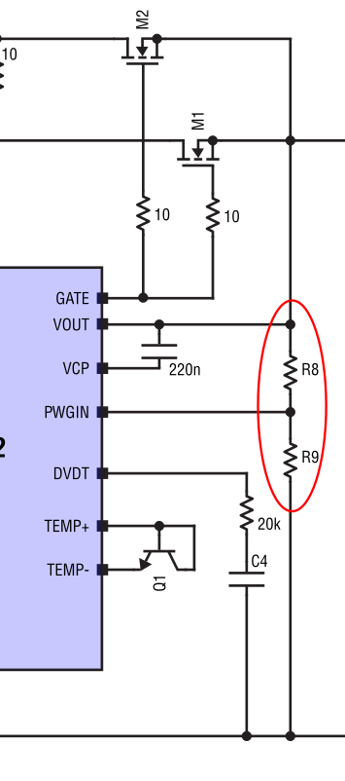
PWRGD
 | VOUT PWRGD RISING THRESHOLD | 40.0 | V | Voltage above which the ADM1272 will declare the output good; Must be below VIN(MIN)
 | R_BOTTOM (R9) | 2.65 | kΩ | Suggest 4.99kΩ
 | R_TOP (R8) CALCULATED | 97.35 | kΩ | Top resistor; Note: it may be wise to split this into multiple resistors to spread heat and voltage drop
 | R_TOP MANUALLY ENTERED VALUE (OPTIONAL) | 100.00 | kΩ | Suggest using the calculated value above, or the nearest E96 value; Leave blank for default | 100
 | VOUT RISING THRESHOLD (MAX) | 42.86 | V | PWGIN Threshold + Hysteresis variations, assumes 1% resistors
 | VOUT RISING THRESHOLD (NOMINAL) | 41.1 | V | PWGIN pin has 60mV hysteresis.
 | VOUT RISING THRESHOLD (MIN) | 39.3 | V | PWGIN Threshold + Hysteresis variations, assumes 1% resistors

 | VOUT FALLING THRESHOLD (MAX) | 39.90 | V | Assumes 1% resistors
 | VOUT FALLING THRESHOLD (NOMINAL) | 38.74 | V
 | VOUT FALLING THRESHOLD (MIN) | 37.61 | V | Assumes 1% resistors

 | PWRGD HYSTERESIS (MAX) | 2.96 | V
 | PWRGD HYSTERESIS (TYP) | 2.32 | V
 | PWRGD HYSTERESIS (MIN) | 1.71 | V

NOTE: | Set the PWRGD rising threshold just below the UVH threshold for reliable startup behavior

Optional: To Increase Hysteresis, Place a Resistor Between PWRGD and PWGIN

 | RHYST (between PWRGD & PWGIN) | 1000000.00 | kΩ | If not used, leave as 1e6 kΩ (i.e., 1GΩ)
 | RPU (PWRGD pullup resistor) | 10.00 | kΩ | Pullup resistor from PWRGD to VPU
 | VPU (PWRGD pullup voltage) | 3.30 | V
 | TOLERANCE OF VPU | 5% | %
 | TOLERANCE OF RPU | 1% | %
 | TOLERANCE OF RHYST | 1% | %

 | VOUT RISING THRESHOLD (MAX) | 42.86 | V
 | VOUT RISING THRESHOLD (NOMINAL) | 41.06 | V
 | VOUT RISING THRESHOLD (MIN) | 39.32 | V

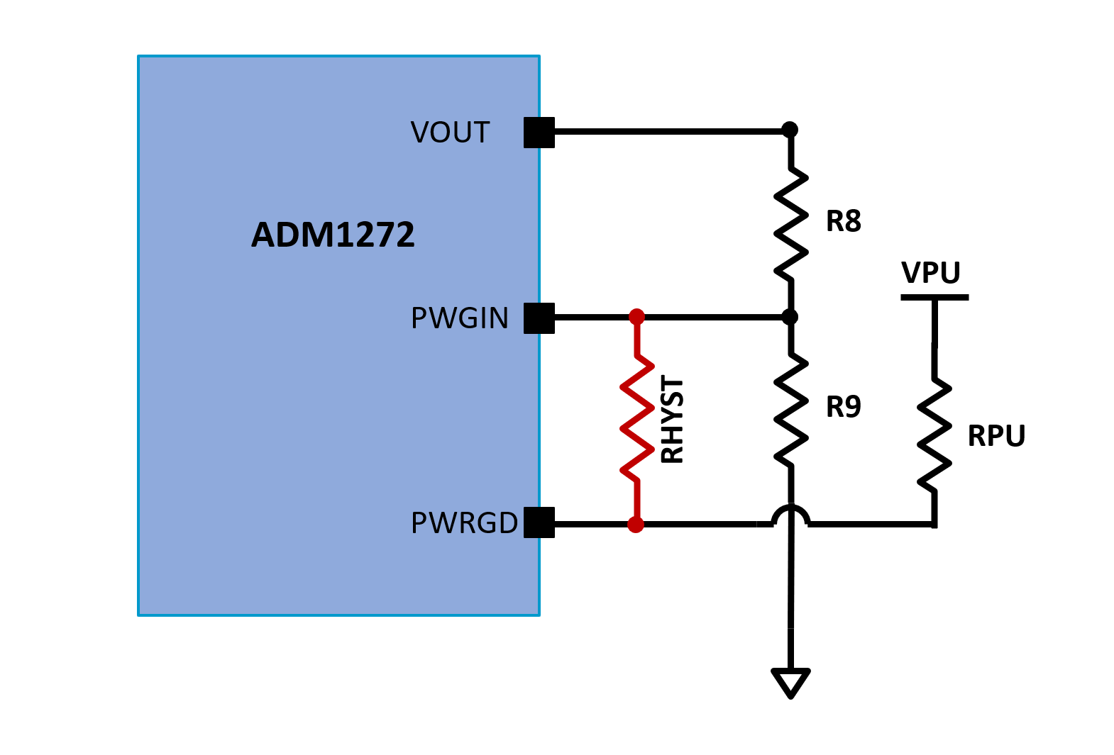
 | VOUT FALLING THRESHOLD (MAX) | 39.90 | V
 | VOUT FALLING THRESHOLD (NOMINAL) | 38.74 | V
 | VOUT FALLING THRESHOLD (MIN) | 37.61 | V

 | PWRGD HYSTERESIS (MAX) | 2.96 | V
 | PWRGD HYSTERESIS (TYP) | 2.32 | V
 | PWRGD HYSTERESIS (MIN) | 1.71 | V

 | In powergood condition, PWRGD will be lower than VPU when using RHYST
 | VPWRGD HIGH w/ RHYST (MAX) | 3.465 | V | Assumes VOUT is at VIN(MAX)
 | VPWRGD HIGH w/ RHYST (TYP) | 3.300 | V | Assumes VOUT is at VIN(TYP)
 | VPWRGD HIGH w/ RHYST (MIN) | 3.135 | V | Assumes VOUT is at VIN(MIN)

RND PIN
PIN | COMPONENT/ LABEL | VALUE | UNIT/ TOLERANCE | COMMENT
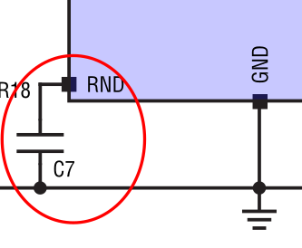
RND PIN |  |  |  | ADM1272 ramps this pin up a random number of times When exiting UVLO
 | CAPACITOR VALUE (C7) | 10 | nF | Do not exceed 220nF | 0.00000001
 | SYSTEM BOOT-UP TIME | 0.28 | ms | Time for the system to exit UVLO and begin ramping the RND capacitor | 0.00028
 | RND PIN CURRENT | 4.20 | uA |  | 0.0000042
 | RANDOM TIME MIN | 1.936 | ms
 | RANDOM TIME MAX | 228.171 | ms | MAX value of 3.69 seconds for large capacitor sizes

