Calculations
Initial Value |  |  |  | EOL Cap Value
ESR = | 0.040 | ohms |  | ESR = | 0.040 | ohms
SCAP Capacitance = | 5.000 | F |  | SCAP Capacitance = | 3.500 | F

Full Charge VSCAP = | 5.000 | V |  | Full Charge VSCAP = | 5.000 | V
Min VSCAP w/ ESR = | 2.970 | V |  | Min VSCAP w/ ESR = | 2.970 | V
Usable Energy = | 40.44775 | J |  | Usable Energy = | 28.313425 | J
Output Energy = | 32.3582 | J |  | Output Energy = | 22.65074 | J
Output Power = | 12.5 | W |  | Output Power = | 12.5 | W

Backup Time = | 2.588656 | sec |  | Backup Time = | 1.8120592 | sec

EOL ESR Value |  |  |  | EOL Cap & ESR Value
ESR = | 0.080 | ohms |  | ESR = | 0.080 | ohms
SCAP Capacitance = | 5.000 | F |  | SCAP Capacitance = | 3.500 | F

Full Charge VSCAP = | 5.000 | V |  | Full Charge VSCAP = | 5.000 | V
Min VSCAP w/ ESR = | 3.190 | V |  | Min VSCAP w/ ESR = | 3.190 | V
Usable Energy = | 37.05975 | J |  | Usable Energy = | 25.941825 | J
Output Energy = | 29.6478 | J |  | Output Energy = | 20.75346 | J
Output Power = | 12.5 | W |  | Output Power = | 12.5 | W

Backup Time = | 2.371824 | sec |  | Backup Time = | 1.6602768 | sec

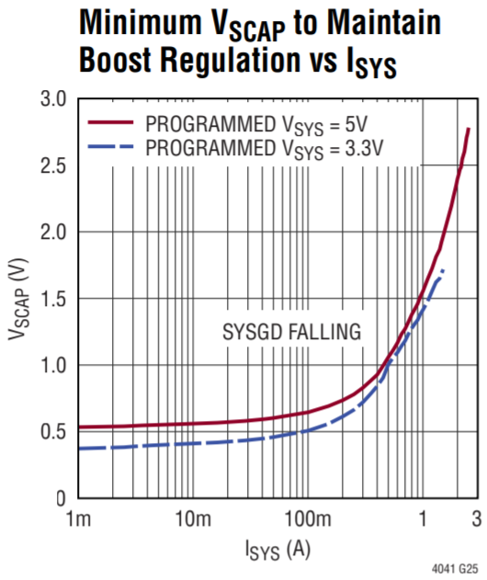
 |  |  | ISYS | VSYS
 |  |  |  | 3.3V | 5V
 |  |  | 0.001 | 0.4 | 0.53
 |  |  | 0.01 | 0.45 | 0.56
 |  |  | 0.1 | 0.5 | 0.65
 |  |  | 0.3 | 0.7 | 0.8
 |  |  | 1 | 1.4 | 1.55
 |  |  | 1.5 | 1.7 | 1.8
 |  |  | 2.5 | 2.75 | 2.75
 |  |  | 2.6 | 2.75 | 2.75

 |  |  | target ISYS = | 2.5 | A

 |  |  | Lower or equal val = | 2.5 | A
 |  |  | Higher val = | 2.6 | A

 |  |  |  | 3.3V | 5V
 |  |  | lower or equal VSCAP | 2.75 | 2.75
 |  |  | higher VSCAP | 2.75 | 2.75

 |  |  | INTERPOLATE BETWEEN LOWER AND HIGHER ISYS
 |  |  | (x - x1) / (x2 - x1) = | 0
 |  |  | (y2 - y1) = | 0 | 0
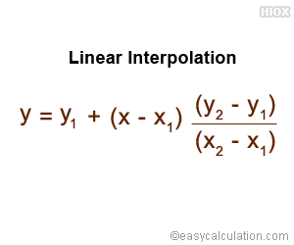
 |  |  | y = | 2.75 | 2.75

 |  |  | INTERPOLATE BETWEEN LOWER AND HIGHER VSYS
 |  |  | target VSYS = | 5 | V
 |  |  | vetted target VSYS = | 5 | V

 |  |  | Lower or equal val = | 3.3 | V
 |  |  | Higher val = | 5 | V

 |  |  | (x - x1) / (x2 - x1) = | 1
 |  |  | (y2 - y1) = | 0
 |  |  | y = | 2.75 | V

 |  | The final value is the min VSCAP value required to boost at a given ISYS and VSYS

 |  |  | Due to ESR, | 0.22 | V of charge will be lost, so the effective minimum voltage is:
 |  |  | Min VSCAP with ESR = | 2.97 | V

 | Example: |  | Usable Energy = | 40.44775 | J
 |  |  | Output Energy = | 32.3582 | J
 |  |  | Output Power = | 12.5 | W
 |  |  | Backup Time = | 2.588656 | sec

